Circuit
Circuit | Map | Type | Direction | Location | Country | Current length | Grands Prix | Season(s) | Grands Prix held
Adelaide Street Circuit | 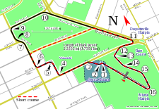 | Street circuit | Clockwise | Adelaide | Australia | 03 !3.780 km (2.349 mi) | Australian Grand Prix | 1985–1995 | 11
Ain-Diab Circuit | 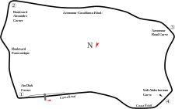 | Road circuit | Clockwise | Casablanca | Morocco | 07 !7.618 km (4.734 mi) | Moroccan Grand Prix | 1958 | 1
Aintree | 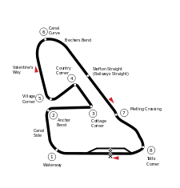 | Road circuit | Clockwise | Liverpool | United Kingdom | 04 !4.828 km (3.000 mi) | British Grand Prix | 1955, 1957, 1959, 1961–1962 | 5
Melbourne Grand Prix Circuit | 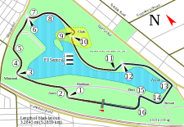 | Street circuit | Clockwise | Melbourne | Australia | 05 !5.303 km (3.295 mi) | Australian Grand Prix | 1996–2016 | 21
Autódromo do Estoril |  | Race circuit | Clockwise | Estoril | Portugal | 04 !4.182 km (2.599 mi) | Portuguese Grand Prix | 1984–1996 | 13
Autodromo Enzo e Dino Ferrari | 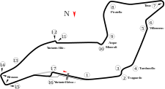 | Race circuit | Anti-clockwise | Imola | Italy | 04 !4.909 km (3.050 mi) | Italian Grand Prix San Marino Grand Prix | 1980 1981–2006 | 1 26
Autódromo Hermanos Rodríguez | 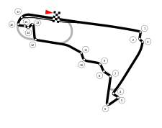 | Race circuit | Clockwise | Mexico City | Mexico | 04 !4.313 km (2.680 mi) | Mexican Grand Prix | 1963–1970, 1986–1992, 2015–2016 | 17
Autódromo Internacional Nelson Piquet | 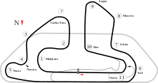 | Race circuit | Anti-clockwise | Rio de Janeiro | Brazil | 05 !5.031 km (3.126 mi) | Brazilian Grand Prix | 1978, 1981–1989 | 10
Autódromo José Carlos Pace | 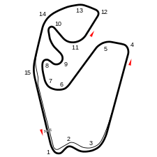 | Race circuit | Anti-clockwise | São Paulo | Brazil | 04 !4.309 km (2.677 mi) | Brazilian Grand Prix | 1973–1977, 1979–1980, 1990–2016 | 34
Autódromo Juan y Oscar Gálvez | 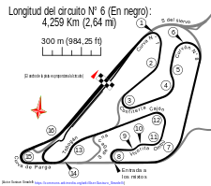 | Race circuit | Clockwise | Buenos Aires | Argentina | 04 !4.206 km (2.613 mi) | Argentine Grand Prix | 1953–1958, 1960, 1972–1975, 1977–1981, 1995–1998 | 20
Autodromo Nazionale Monza | 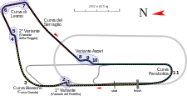 | Race circuit | Clockwise | Monza | Italy | 05 !5.793 km (3.600 mi) | Italian Grand Prix | 1950–1979, 1981–2016 | 66
AVUS | 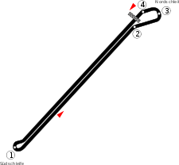 | Road circuit | Anti-clockwise | Berlin | Germany | 08 !8.300 km (5.157 mi) | German Grand Prix | 1959 | 1
Bahrain International Circuit | 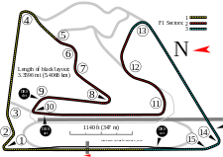 | Race circuit | Clockwise | Sakhir | Bahrain | 05 !5.412 km (3.363 mi) | Bahrain Grand Prix | 2004–2010, 2012–2016 | 12
Baku City Circuit | 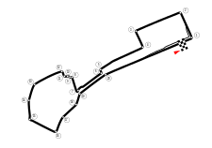 | Street circuit | Anti-clockwise | Baku | Azerbaijan | 06 !6.006 km (3.732 mi) | European Grand Prix | 2016 | 1
Brands Hatch | 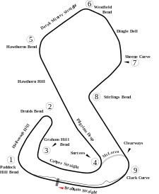 | Race circuit | Clockwise | Fawkham | United Kingdom | 03 !3.703 km (2.301 mi) | British Grand Prix European Grand Prix | 1964, 1966, 1968, 1970, 1972, 1974, 1976, 1978, 1980, 1982, 1984, 1986 1983, 1985 | 12 2
Buddh International Circuit | 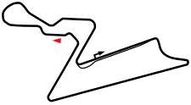 | Race circuit | Clockwise | Greater Noida | India | 05 !5.141 km (3.194 mi) | Indian Grand Prix | 2011–2013 | 3
Bugatti Circuit | 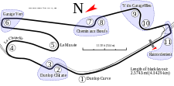 | Race circuit | Clockwise | Le Mans | France | 04 !4.273 km (2.655 mi) | French Grand Prix | 1967 | 1
Caesars Palace Grand Prix | 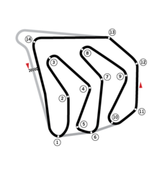 | Street circuit | Anti-clockwise | Las Vegas | United States | 03 !3.650 km (2.268 mi) | Caesars Palace Grand Prix | 1981–1982 | 2
Charade Circuit | 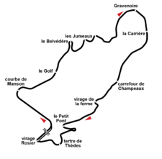 | Road circuit | Clockwise | Clermont-Ferrand | France | 08 !8.055 km (5.005 mi) | French Grand Prix | 1965, 1969–1970, 1972 | 4
Circuit Bremgarten | 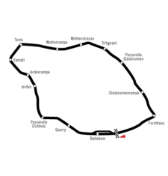 | Road circuit | Clockwise | Bremgarten | Switzerland | 07 !7.208 km (4.479 mi) | Swiss Grand Prix | 1950–1954 | 5
Circuit de Barcelona-Catalunya |  | Race circuit | Clockwise | Montmeló | Spain | 04 !4.655 km (2.892 mi) | Spanish Grand Prix | 1991–2016 | 26
Circuit de Monaco | 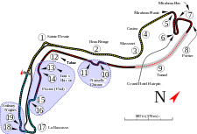 | Street circuit | Clockwise | Monte Carlo | Monaco | 03 !3.337 km (2.074 mi) | Monaco Grand Prix | 1950, 1955–2016 | 63
Circuit de Spa-Francorchamps | 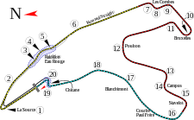 | Race circuit | Clockwise | Spa-Francorchamps | Belgium | 07 !7.004 km (4.352 mi) | Belgian Grand Prix | 1950–1956, 1958, 1960–1968, 1970, 1983, 1985–2002, 2004–2005, 2007–2016 | 49
Circuito de Monsanto | 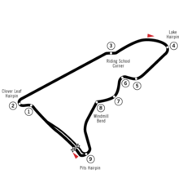 | Street circuit | Clockwise | Lisbon | Portugal | 05 !5.440 km (3.380 mi) | Portuguese Grand Prix | 1959 | 1
Circuit de Nevers Magny-Cours | 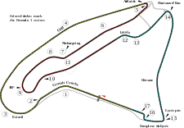 | Race circuit | Clockwise | Magny-Cours | France | 04 !4.411 km (2.741 mi) | French Grand Prix | 1991–2008 | 18
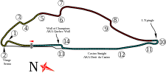 Circuit Gilles Villeneuve |  | Street circuit | Clockwise | Montreal | Canada | 04 !4.361 km (2.710 mi) | Canadian Grand Prix | 1978–1986, 1988–2008, 2010–2016 | 37
Circuit Mont-Tremblant | 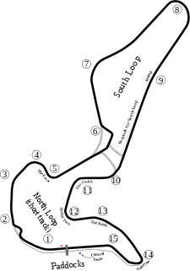 | Race circuit | Clockwise | Mont-Tremblant | Canada | 04 !4.265 km (2.650 mi) | Canadian Grand Prix | 1968, 1970 | 2
Circuit of the Americas | 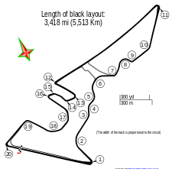 | Race circuit | Anti-clockwise | Austin, Texas | United States | 05 !5.470 km (3.399 mi) | United States Grand Prix | 2012–2016 | 5
Circuit Park Zandvoort | 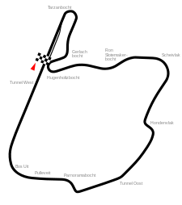 | Race circuit | Clockwise | Zandvoort | Netherlands | 04 !4.252 km (2.642 mi) | Dutch Grand Prix | 1952–1953, 1955, 1958–1971, 1973–1985 | 30
Circuit Paul Ricard |  | Race circuit | Clockwise | Castellet | France | 05 !5.800 km (3.604 mi) | French Grand Prix | 1971, 1973, 1975–1976, 1978, 1980, 1982–1983, 1985–1990 | 14
 Circuit Zolder |  | Race circuit | Clockwise | Heusden-Zolder | Belgium | 04 !4.011 km (2.492 mi) | Belgian Grand Prix | 1973, 1975–1982, 1984 | 10
Circuito da Boavista | 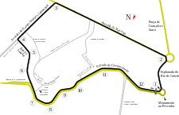 | Street circuit | Anti-clockwise | Porto | Portugal | 07 !7.775 km (4.831 mi) | Portuguese Grand Prix | 1958, 1960 | 2
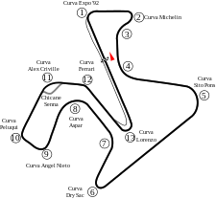 Circuito de Jerez |  | Race circuit | Clockwise | Jerez de la Frontera | Spain | 04 !4.428 km (2.751 mi) | Spanish Grand Prix European Grand Prix | 1986–1990 1994, 1997 | 5 2
Circuito del Jarama | 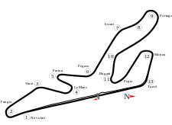 | Race circuit | Clockwise | Jarama | Spain | 03 !3.404 km (2.115 mi) | Spanish Grand Prix | 1968, 1970, 1972, 1974, 1976–1979, 1981 | 9
Detroit street circuit | 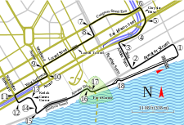 | Street circuit | Anti-clockwise | Detroit | United States | 04 !4.168 km (2.590 mi) | Detroit Grand Prix | 1982–1988 | 7
Dijon-Prenois | 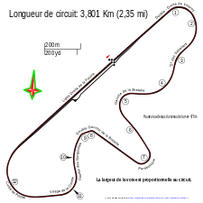 | Race circuit | Clockwise | Dijon | France | 03 !3.886 km (2.415 mi) | French Grand Prix Swiss Grand Prix | 1974, 1977, 1979, 1981–1982, 1984 | 6
Donington Park | 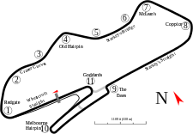 | Race circuit | Clockwise | Donington | United Kingdom | 04 !4.020 km (2.498 mi) | European Grand Prix | 1993 | 1
Fair Park | 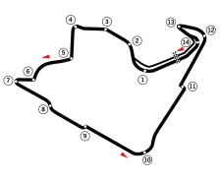 | Street circuit | Anti-clockwise | Dallas | United States | 03 !3.901 km (2.424 mi) | Dallas Grand Prix | 1984 | 1
Fuji Speedway |  | Race circuit | Clockwise | Shizuoka | Japan | 04 !4.563 km (2.835 mi) | Japanese Grand Prix | 1976–1977, 2007–2008 | 4
Grand Prix of Long Beach | 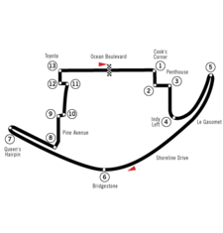 | Street circuit | Clockwise | Long Beach | United States | 03 !3.251 km (2.020 mi) | United States Grand Prix West | 1976–1983 | 8
Hockenheimring | 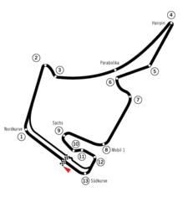 | Race circuit | Clockwise | Hockenheim | Germany | 04 !4.574 km (2.842 mi) | German Grand Prix | 1970, 1977–1984, 1986–2006, 2008, 2010, 2012, 2014, 2016 | 35
Hungaroring | 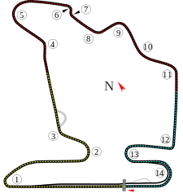 | Race circuit | Clockwise | Magyoród | Hungary | 04 !4.381 km (2.722 mi) | Hungarian Grand Prix | 1986–2016 | 31
Indianapolis Motor Speedway | 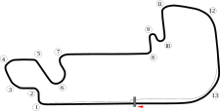 | Race circuit | Anti-clockwise Clockwise | Speedway | United States | 04 !2.500 mi (4.023 km) 04 !4.192 km (2.605 mi) | Indianapolis 500[A] United States Grand Prix | 1950–1960 2000–2007 | 11 8
Istanbul Park | 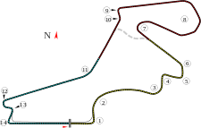 | Race circuit | Anti-clockwise | Gebze | Turkey | 05 !5.338 km (3.317 mi) | Turkish Grand Prix | 2005–2011 | 7
Korea International Circuit | 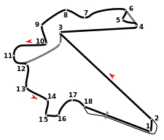 | Race circuit | Anti-clockwise | Yeongam | South Korea | 05 !5.615 km (3.489 mi) | Korean Grand Prix | 2010–2013 | 4
Kyalami | 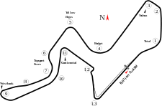 | Race circuit | Clockwise(1967—85); Anti-clockwise(1992—93) | Midrand | South Africa | 04 !4.200 km (2.610 mi) | South African Grand Prix | 1967–1980, 1982–1985, 1992–1993 | 20
Marina Bay Street Circuit | 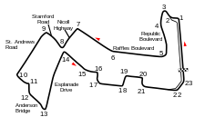 | Street circuit | Anti-clockwise | Singapore | Singapore | 05 !5.065 km (3.147 mi) | Singapore Grand Prix | 2008–2016 | 9
Montjuïc circuit | 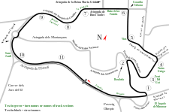 | Street circuit | Anti-clockwise | Barcelona | Spain | 03 !3.791 km (2.356 mi) | Spanish Grand Prix | 1969, 1971, 1973, 1975 | 4
Mosport International Raceway | 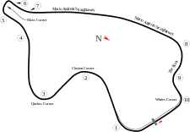 | Race circuit | Clockwise | Bowmanville | Canada | 03 !3.957 km (2.459 mi) | Canadian Grand Prix | 1967, 1969, 1971–1974, 1976–1977 | 8
Nivelles-Baulers | 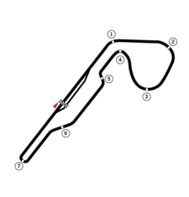 | Race circuit | Clockwise | Nivelles | Belgium | 03 !3.724 km (2.314 mi) | Belgian Grand Prix | 1972, 1974 | 2
Nürburgring | 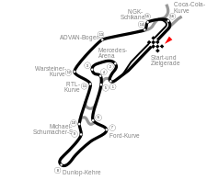 | Race circuit | Clockwise | Nürburg | Germany | 05 !5.148 km (3.199 mi) | German Grand Prix European Grand Prix Luxembourg Grand Prix | 1951–1954, 1956–1958, 1961–1969, 1971–1976, 1985, 2009, 2011, 2013 1984, 1995–1996, 1999–2007 1997–1998 | 26 12 2
Pedralbes Circuit | 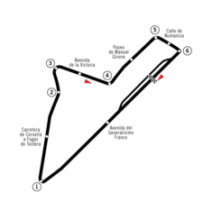 | Street circuit | Clockwise | Barcelona | Spain | 06 !6.316 km (3.925 mi) | Spanish Grand Prix | 1951, 1954 | 2
Pescara Circuit | 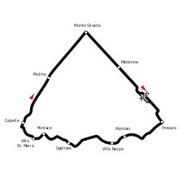 | Road circuit | Clockwise | Pescara | Italy | 25.800 km (16.031 mi) | Pescara Grand Prix | 1957 | 1
Phoenix street circuit |  | Street circuit | Anti-clockwise | Phoenix | United States | 03 !3.720 km (2.312 mi) | United States Grand Prix | 1989–1991 | 3
Prince George Circuit | 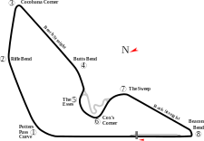 | Race circuit | Clockwise | East London | South Africa | 03 !3.920 km (2.436 mi) | South African Grand Prix | 1962–1963, 1965 | 3
Red Bull Ring | 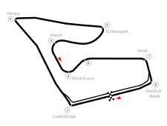 | Race circuit | Clockwise | Spielberg | Austria | 04 !4.326 km (2.688 mi) | Austrian Grand Prix | 1970–1987, 1997–2003, 2014–2016 | 28
Reims-Gueux |  | Road circuit | Clockwise | Gueux, Marne | France | 08 !8.302 km (5.159 mi) | French Grand Prix | 1950–1951, 1953–1954, 1956, 1958–1961, 1963, 1966 | 11
Riverside International Raceway |  | Race circuit | Clockwise | Riverside | United States | 05 !5.271 km (3.275 mi) | United States Grand Prix | 1960 | 1
Rouen-Les-Essarts |  | Road circuit | Clockwise | Rouen | France | 06 !6.542 km (4.065 mi) | French Grand Prix | 1952, 1957, 1962, 1964, 1968 | 5
Scandinavian Raceway |  | Race circuit | Clockwise | Anderstorp | Sweden | 04 !4.025 km (2.501 mi) | Swedish Grand Prix | 1973–1978 | 6
Sebring International Raceway |  | Road circuit | Clockwise | Sebring | United States | 08 !8.356 km (5.192 mi) | United States Grand Prix | 1959 | 1
Sepang International Circuit |  | Race circuit | Clockwise | Sepang | Malaysia | 05 !5.543 km (3.444 mi) | Malaysian Grand Prix | 1999–2016 | 18
Shanghai International Circuit |  | Race circuit | Clockwise | Shanghai | China | 05 !5.451 km (3.387 mi) | Chinese Grand Prix | 2004–2016 | 13
Silverstone Circuit |  | Race circuit | Clockwise | Silverstone | United Kingdom | 05 !5.891 km (3.660 mi) | British Grand Prix | 1950–1954, 1956, 1958, 1960, 1963, 1965, 1967, 1969, 1971, 1973, 1975, 1977, 1979, 1981, 1983, 1985, 1987–2016 | 50
Sochi Autodrom |  | Road circuit | Clockwise | Sochi | Russia | 05 !5.872 km (3.649 mi) | Russian Grand Prix | 2014–2016 | 3
Suzuka International Racing Course |  | Race circuit | Clockwise and Anti-clockwise (figure eight) | Suzuka | Japan | 05 !5.807 km (3.608 mi) | Japanese Grand Prix | 1987–2006, 2009–2016 | 28
Tanaka International Circuit |  | Race circuit | Clockwise | Aida | Japan | 03 !3.703 km (2.301 mi) | Pacific Grand Prix | 1994–1995 | 2
Valencia Street Circuit |  | Street circuit | Clockwise | Valencia | Spain | 05 !5.419 km (3.367 mi) | European Grand Prix | 2008–2012 | 5
Watkins Glen |  | Race circuit | Clockwise | Watkins Glen | United States | 05 !5.430 km (3.374 mi) | United States Grand Prix | 1961–1980 | 20
Yas Marina Circuit |  | Race circuit | Anti-clockwise | Abu Dhabi | United Arab Emirates | 05 !5.554 km (3.451 mi) | Abu Dhabi Grand Prix | 2009–2016 | 8
Zeltweg Airfield |  | Road circuit | Clockwise | Zeltweg | Austria | 03 !3.186 km (1.980 mi) | Austrian Grand Prix | 1964 | 1

